grain size analysis
* grain-size distribution of bed material (2013) _ grid sampling(Hack_1947)

* particle size distribution of suspended sediment (2013)_Laser Diffraction |  |  |  |  |  |  |  |  | * grain-size distribution of bed material (2013)_Sieve

No | particle size distribution of suspended sediment (%) |  |  |  |  |  |  |  | particle size time | D10 | D30 | D35 | D60 | D65 | 균등계수 Coefficient of uniformity (Cu) | 곡률계수 Coefficient of curvature (Cg)
 | range (mm) |  |  |  |  |  |  |  | 홍수전 (before the flood) | 0.19 | 0.39 | 0.44 | 0.94 | 1.22 | 5.02 | 0.86
 | 0.0020~ | 0.063~ | 0.126~ | 0.26~ | 0.51~ | 1.1~ | 2.1~ | 4.1~ | 홍수후(after the flood ) | 0.30 | 0.65 | 0.73 | 1.62 | 1.98 | 5.31 | 0.85
 | 0.062 | 0.125 | 0.25 | 0.5 | 1 | 2 | 4 | 8 | 평균 (mean) | 0.25 | 0.52 | 0.58 | 1.28 | 1.60 | 5.17 | 0.85
1 | 84.59 | 9.88 | 1.87 | 0.01 | 0.34 | 2.42 | 0.9 | 0 | particle size time | D5 | D10 | D15 | D20 | D25 | D30 | D35 | D40 | D45 | D50 | D55 | D60 | D65 | D70 | D75 | D80 | D85 | D90 | D95 | D100
2 | 79.64 | 9.41 | 1.91 | 0.12 | 1.99 | 5.05 | 1.88 | 0 | 홍수전 (before the flood) | 0.14 | 0.19 | 0.23 | 0.28 | 0.33 | 0.39 | 0.44 | 0.50 | 0.61 | 0.72 | 0.83 | 0.94 | 1.22 | 1.73 | 2.36 | 3.16 | 4.00 | 6.98 | 11.20 | 16.00
3 | 88.75 | 9.41 | 1.83 | 0.01 | 0 | 0 | 0 | 0 | 홍수후 (after the flood ) | 0.21 | 0.30 | 0.39 | 0.47 | 0.56 | 0.65 | 0.73 | 0.81 | 0.89 | 0.97 | 1.25 | 1.62 | 1.98 | 2.69 | 3.45 | 4.58 | 7.35 | 10.04 | 12.95 | 16.00
4 | 82.7 | 10.94 | 3.66 | 0.34 | 0.82 | 1.03 | 0.5 | 0 | 평균 (mean) | 0.18 | 0.25 | 0.31 | 0.38 | 0.45 | 0.52 | 0.58 | 0.65 | 0.75 | 0.85 | 1.04 | 1.28 | 1.60 | 2.21 | 2.91 | 3.87 | 5.67 | 8.51 | 12.07 | 16.00
5 | 86.44 | 9.75 | 2.11 | 0.17 | 0.31 | 0.76 | 0.45 | 0
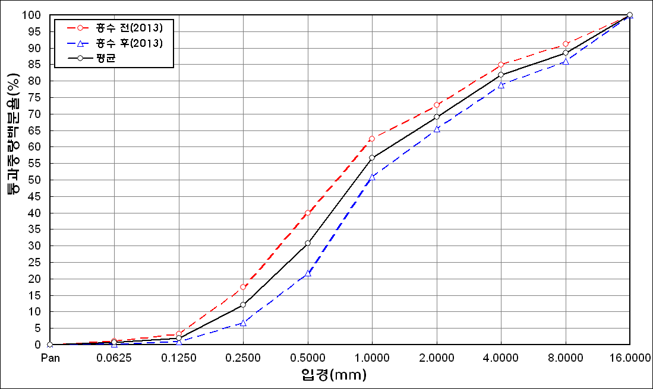
before the flood (2013)
after the flood (2013)
mean
percent passing(%)
particle size (mm)
6 | 89.05 | 8.01 | 1.59 | 0.22 | 0.34 | 0.6 | 0.2 | 0
7 | 89 | 7.62 | 2.78 | 0.39 | 0.19 | 0 | 0 | 0
8 | 88.72 | 8.38 | 2.55 | 0.07 | 0.02 | 0.14 | 0.1 | 0
9 | 88.2 | 9.46 | 2.31 | 0.05 | 0 | 0 | 0 | 0
10 | 87.52 | 10.2 | 2.28 | 0.01 | 0 | 0 | 0 | 0
11 | 87.97 | 10.14 | 1.89 | 0 | 0 | 0 | 0 | 0
12 | 90.02 | 8.58 | 1.33 | 0.07 | 0 | 0 | 0 | 0
13 | 90.77 | 7.39 | 1.32 | 0.02 | 0.05 | 0.3 | 0.14 | 0
14 | 92.82 | 5.2 | 0.84 | 0.06 | 0.01 | 0 | 0 | 0
15 | 89.89 | 7.14 | 1.95 | 0.11 | 0.02 | 0 | 0 | 0
mean | 87.74 | 8.77 | 2.01 | 0.11 | 0.27 | 0.69 | 0.28 | 0

* grain-size distribution of bed material (2014) _ grid sampling(Hack_1947)

* particle size distribution of suspended sediment (2014)_Laser Diffraction
 |  |  |  |  |  |  |  |  | * grain-size distribution of bed material (2014)_Sieve
No | particle size distribution of suspended sediment (%)
 | range (mm) |  |  |  |  |  |  |  | particle size time | D10 | D30 | D35 | D60 | D65 | 균등계수 Coefficient of uniformity (Cu) | 곡률계수 Coefficient of curvature (Cg)
 | 0.0020~ | 0.063~ | 0.126~ | 0.26~ | 0.51~ | 1.1~ | 2.1~ | 4.1~ | 홍수전 (before the flood) | 0.12 | 0.70 | 0.84 | 2.00 | 2.60 | 16.67 | 2.04
 | 0.062 | 0.125 | 0.25 | 0.5 | 1 | 2 | 4 | 8 | 홍수후(after the flood ) | 0.12 | 0.21 | 0.23 | 0.59 | 0.77 | 4.92 | 0.62
1 | 51.89 | 25.45 | 12.8 | 4.26 | 3.47 | 1.49 | 0.52 | 0 | 평균 (mean) | 0.12 | 0.46 | 0.54 | 1.30 | 1.69 | 10.79 | 1.33
2 | 59.46 | 21.02 | 11.32 | 3.79 | 2.35 | 0.54 | 0.12 | 0 | particle size time | D5 | D10 | D15 | D20 | D25 | D30 | D35 | D40 | D45 | D50 | D55 | D60 | D65 | D70 | D75 | D80 | D85 | D90 | D95 | D100
3 | 66.99 | 17.88 | 8.7 | 2.63 | 1.45 | 0.53 | 0.19 | 0 | 홍수전 (before the flood) | 0.09 | 0.12 | 0.21 | 0.35 | 0.50 | 0.70 | 0.84 | 1.05 | 1.18 | 1.51 | 1.75 | 2.00 | 2.60 | 3.20 | 4.00 | 6.40 | 11.20 | 14.40 | 17.20 | 19.00
4 | 70.45 | 16.48 | 7.66 | 2.69 | 0.86 | 0.01 | 0 | 0 | 홍수후 (after the flood ) | 0.08 | 0.12 | 0.14 | 0.17 | 0.19 | 0.21 | 0.23 | 0.28 | 0.33 | 0.40 | 0.46 | 0.59 | 0.77 | 0.91 | 1.09 | 1.49 | 2.00 | 3.22 | 6.73 | 19.00
5 | 73.34 | 14.92 | 6.98 | 1.99 | 0.48 | 0.05 | 0.04 | 0 | 평균 (mean) | 0.09 | 0.12 | 0.18 | 0.26 | 0.35 | 0.46 | 0.54 | 0.67 | 0.76 | 0.96 | 1.11 | 1.30 | 1.69 | 2.06 | 2.55 | 3.95 | 6.60 | 8.81 | 11.97 | 19.00
before the flood (2014)
after the flood (2014)
mean
percent passing(%)
particle size (mm)
6 | 73.31 | 14.97 | 6.51 | 2.18 | 0.61 | 0 | 0 | 0
7 | 71.71 | 16.09 | 6.89 | 2.29 | 0.89 | 0.13 | 0.02 | 0
8 | 68.32 | 19.94 | 8.05 | 2.06 | 0.37 | 0 | 0 | 0
9 | 62.18 | 24.41 | 10.73 | 1.62 | 0.28 | 0.11 | 0.03 | 0
10 | 77.38 | 12.29 | 5.62 | 1.62 | 0.9 | 0.3 | 0.1 | 0
11 | 82.79 | 11.32 | 3.99 | 0.18 | 0 | 0 | 0 | 0
12 | 82.69 | 12.33 | 3.34 | 0.02 | 0 | 0 | 0 | 0
13 | 78.92 | 10.63 | 6.55 | 1.89 | 0.38 | 0.01 | 0 | 0
14 | 77.09 | 14.8 | 6.06 | 0.59 | 0.04 | 0 | 0 | 0
15 | 78.65 | 11.38 | 5.61 | 1.84 | 0.61 | 0.08 | 0.03 | 0
16 | 78.54 | 12.95 | 5.92 | 0.8 | 0.01 | 0 | 0 | 0
17 | 83.34 | 9.09 | 4.11 | 0.17 | 0.01 | 0 | 0 | 0
18 | 84.09 | 10.38 | 2.93 | 0.16 | 0.02 | 0 | 0 | 0
19 | 85.27 | 10.02 | 2.53 | 0 | 0 | 0 | 0 | 0
20 | 85.38 | 9.58 | 2.43 | 0.21 | 0.03 | 0.15 | 0.09 | 0
21 | 83.47 | 9.91 | 3.75 | 0.57 | 0.07 | 0 | 0 | 0
22 | 80.15 | 10.9 | 4.93 | 1.15 | 0.21 | 0.09 | 0.04 | 0
mean | 71.68 | 16.26 | 7.39 | 1.98 | 0.85 | 0.22 | 0.07 | 0

